flow
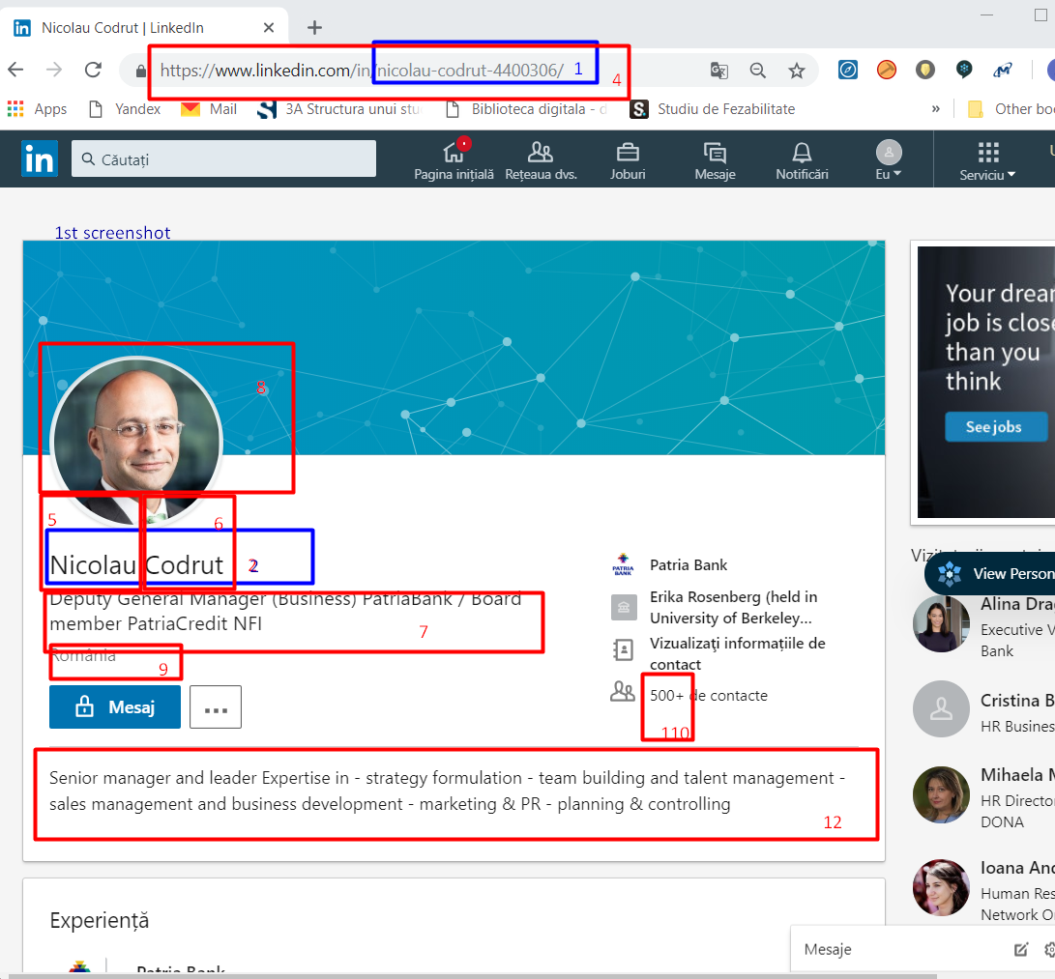
Start url | https://www.linkedin.com/in/nicolau-codrut-4400306/
 | For some info we must reach certain area of the page, that I'll add below
 |  | 1 | LinkedIN ID | 1st screenshot
 |  | 2 | Full name | 1st screenshot
 | after click on See contact info go to page source; data is visible only if you are connected to the person; for comparison I've made in screenshot 3 with one of my connections to better identify the source | 3 | Email | 2nd screenshot
 |  | 4 | LinkedIN | 1st screenshot
 |  | 5 | First name | 1st screenshot
 |  | 6 | Last name | 1st screenshot
 |  | 7 | Title | 1st screenshot
 |  | 8 | Avatar | 1st screenshot, click on avatar and get picture url: https://www.linkedin.com/in/nicolau-codrut-4400306/detail/photo/
 |  | 9 | Location | 1st screenshot
 |  | 10 | Address | 2nd screenshot & 3rd screenshot
 |  | 11 | Birthday | 2nd screenshot & 3rd screenshot
 |  | 12 | Summary | 1st screenshot
 | not from Linkedin, skip it | 13 | Facebook | skip parsing, leave the column in output
 | not from Linkedin, skip it | 14 | Pinterest | skip parsing, leave the column in output
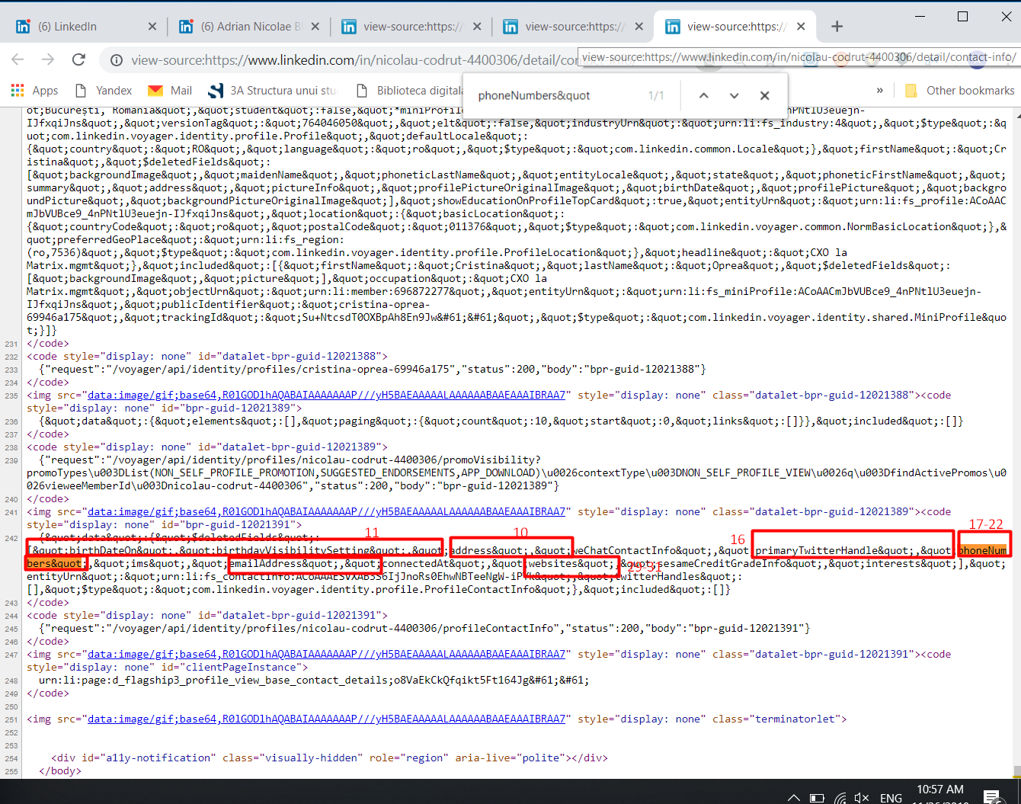
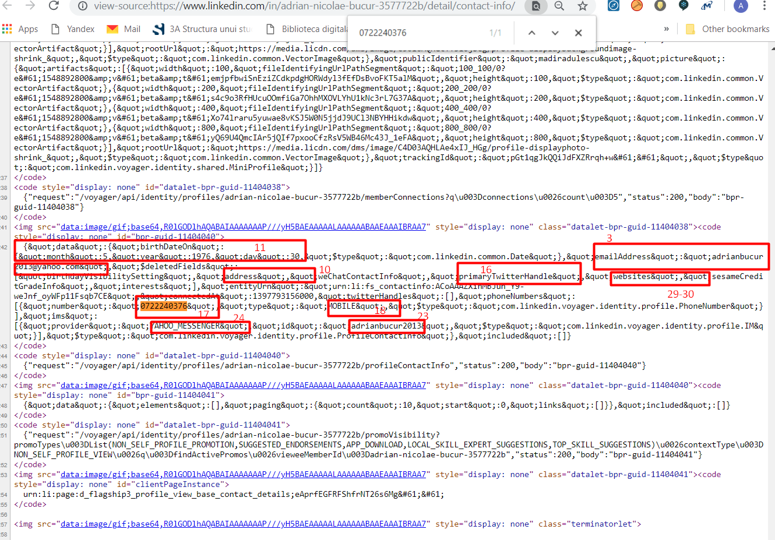
2nd screenshot
3rd screenshot
 | not from Linkedin, skip it | 15 | Google+ | skip parsing, leave the column in output
 |  | 16 | Twitter | 2nd screenshot & 3rd screenshot
 |  | 17 | Phone 1 | 2nd screenshot & 3rd screenshot
 |  | 18 | Phone 1 type | 2nd screenshot & 3rd screenshot
 |  | 19 | Phone 2 | 2nd screenshot & 3rd screenshot
 |  | 20 | Phone 3 type | 2nd screenshot & 3rd screenshot
 |  | 21 | Phone 3 | 2nd screenshot & 3rd screenshot
 |  | 22 | Phone 3 type | 2nd screenshot & 3rd screenshot
 |  | 23 | Messenger 1 | 2nd screenshot & 3rd screenshot
 |  | 24 | Messenger 1 type | 2nd screenshot & 3rd screenshot
 |  | 25 | Messenger 2 | 2nd screenshot & 3rd screenshot
 |  | 26 | Messenger 3 type | 2nd screenshot & 3rd screenshot
 |  | 27 | Messenger 3 | 2nd screenshot & 3rd screenshot
 |  | 28 | Messenger 3 type | 2nd screenshot & 3rd screenshot
 |  | 29 | Website 1 | 2nd screenshot & 3rd screenshot
 |  | 30 | Website 2 | 2nd screenshot & 3rd screenshot
 |  | 31 | Website 3 | 2nd screenshot & 3rd screenshot
 | we'll only get the first 7 job titles, thus if they are in the same company, company data will multiply (eg.organization 1,2 and 3 will contain same Organization Title, LI URL and LI ID | 32 | Organization 1 | 4th screenshot
 |  | 33 | Organization Title 1 | 4th screenshot
 |  | 34 | Organization Start 1 | 4th screenshot
 |  | 35 | Organization End 1 | 4th screenshot
 | there are cases when a See more button must be press in front end to see all data; we must consider scraping all available data | 36 | Organization Description 1 | see line 60
 |  | 37 | Organization Location 1 | 4th screenshot
 |  | 38 | Organization LI URL 1 | can't find it in pagesource
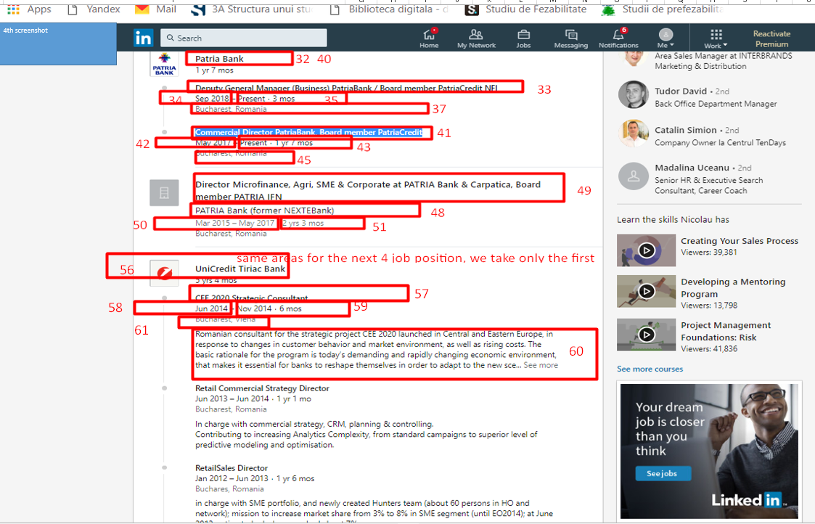
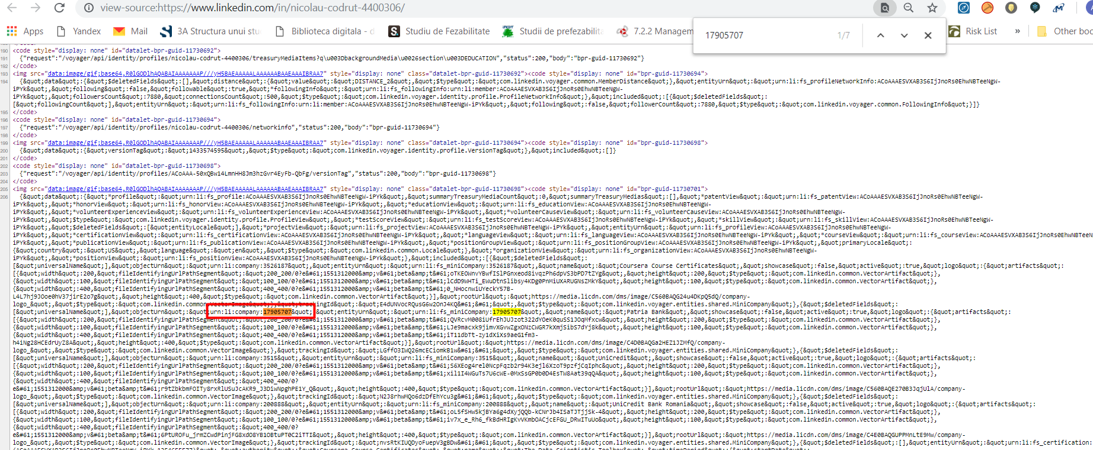
5th screenshot
 | in page source | 39 | Organization LI ID 1 | 5th screenshot
 | for the jobs in the same company | 40 | Organization 2 | 4th screenshot
 |  | 41 | Organization Title 2 | 4th screenshot
 |  | 42 | Organization Start 2 | 4th screenshot
 |  | 43 | Organization End 2 | 4th screenshot
 |  | 44 | Organization Description 2 | see line 60
 |  | 45 | Organization Location 2 | can't find it in pagesource
 |  | 46 | Organization LI URL 2 | can't find it in pagesource
 |  | 47 | Organization LI ID 2 | 5th screenshot
 |  | 48 | Organization 3 | 4th screenshot
 |  | 49 | Organization Title 3 | 4th screenshot
 |  | 50 | Organization Start 3 | 4th screenshot
 |  | 51 | Organization End 3 | 4th screenshot
 |  | 52 | Organization Description 3 | see line 60
 |  | 53 | Organization Location 3 | 4th screenshot
 |  | 54 | Organization LI URL 3 | can't find it in pagesource
 |  | 55 | Organization LI ID 3 | 5th screenshot
 |  | 56 | Organization 4 | 4th screenshot
 |  | 57 | Organization Title 4 | 4th screenshot
 |  | 58 | Organization Start 4 | 4th screenshot
 |  | 59 | Organization End 4 | 4th screenshot
 |  | 60 | Organization Description 4 | 4th screenshot
 |  | 61 | Organization Location 4 | 4th screenshot
 |  | 62 | Organization LI URL 4 | 4th screenshot
 |  | 63 | Organization LI ID 4 | 4th screenshot
 |  | 64 | Organization 5 | same as above
 |  | 65 | Organization Title 5 | same as above
 |  | 66 | Organization Start 5 | same as above
 |  | 67 | Organization End 5 | same as above
 |  | 68 | Organization Description 5 | same as above
 |  | 69 | Organization Location 5 | same as above
 |  | 70 | Organization LI URL 5 | same as above
 |  | 71 | Organization LI ID 5 | same as above
 |  | 72 | Organization 6 | same as above
 |  | 73 | Organization Title 6 | same as above
 |  | 74 | Organization Start 6 | same as above
 |  | 75 | Organization End 6 | same as above
 |  | 76 | Organization Description 6 | same as above
 |  | 77 | Organization Location 6 | same as above
 |  | 78 | Organization LI URL 6 | same as above
 |  | 79 | Organization LI ID 6 | same as above
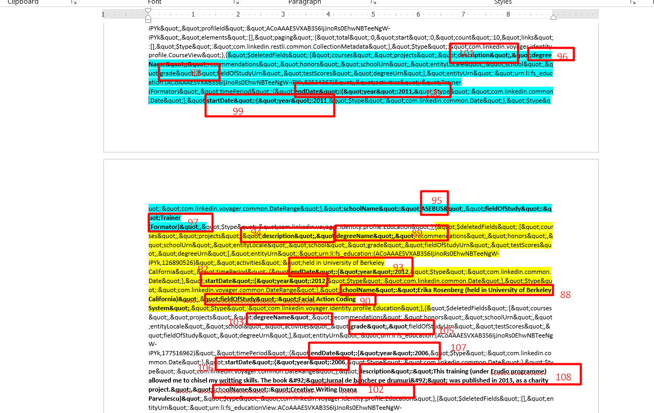
6th screenshot
 |  | 80 | Organization 7 | same as above
 |  | 81 | Organization Title 7 | same as above
 |  | 82 | Organization Start 7 | same as above
 |  | 83 | Organization End 7 | same as above
 |  | 84 | Organization Description 7 | same as above
 |  | 85 | Organization Location 7 | same as above
 |  | 86 | Organization LI URL 7 | same as above
 |  | 87 | Organization LI ID 7 | same as above
 | from page source | 88 | Education 1 | 6th screenshot
 | from page source | 89 | Education Degree 1 | 6th screenshot
 | from page source | 90 | Education FOS 1 | 6th screenshot
 | from page source | 91 | Education Grade 1 | 6th screenshot
 | from page source | 92 | Education Start 1 | 6th screenshot
 | from page source | 93 | Education End 1 | 6th screenshot
 | from page source | 94 | Education Description 1 | 6th screenshot
 | from page source | 95 | Education 2 | 6th screenshot
 | from page source | 96 | Education Degree 2 | 6th screenshot
 | from page source | 97 | Education FOS 2 | 6th screenshot
 | from page source | 98 | Education Grade 2 | 6th screenshot
 | from page source | 99 | Education Start 2 | 6th screenshot
 | from page source | 100 | Education End 2 | 6th screenshot
 | from page source | 101 | Education Description 2 | 6th screenshot
 | from page source | 102 | Education 3 | 6th screenshot
 | from page source | 103 | Education Degree 3 | 6th screenshot
 | from page source | 104 | Education FOS 3 | 6th screenshot
 | from page source | 105 | Education Grade 3 | 6th screenshot
 | from page source | 106 | Education Start 3 | 6th screenshot
 | from page source | 107 | Education End 3 | 6th screenshot
 | from page source | 108 | Education Description 3 | 6th screenshot
 | used my account to see were we can find them https://www.linkedin.com/in/cristina-andreea-o-15843774/ | 109 | Volunteer Experience 1 | 7th screendhot, just the organization; only the first 3
 | used my account to see were we can find them https://www.linkedin.com/in/cristina-andreea-o-15843774/ | 110 | Volunteer Experience 2 | 7th screendhot, just the organization; only the first 3
 | used my account to see were we can find them https://www.linkedin.com/in/cristina-andreea-o-15843774/ | 111 | Volunteer Experience 3 | 7th screendhot, just the organization; only the first 3
 | after cliking see all | 112 | Skills | 8th screendhot, just text and number
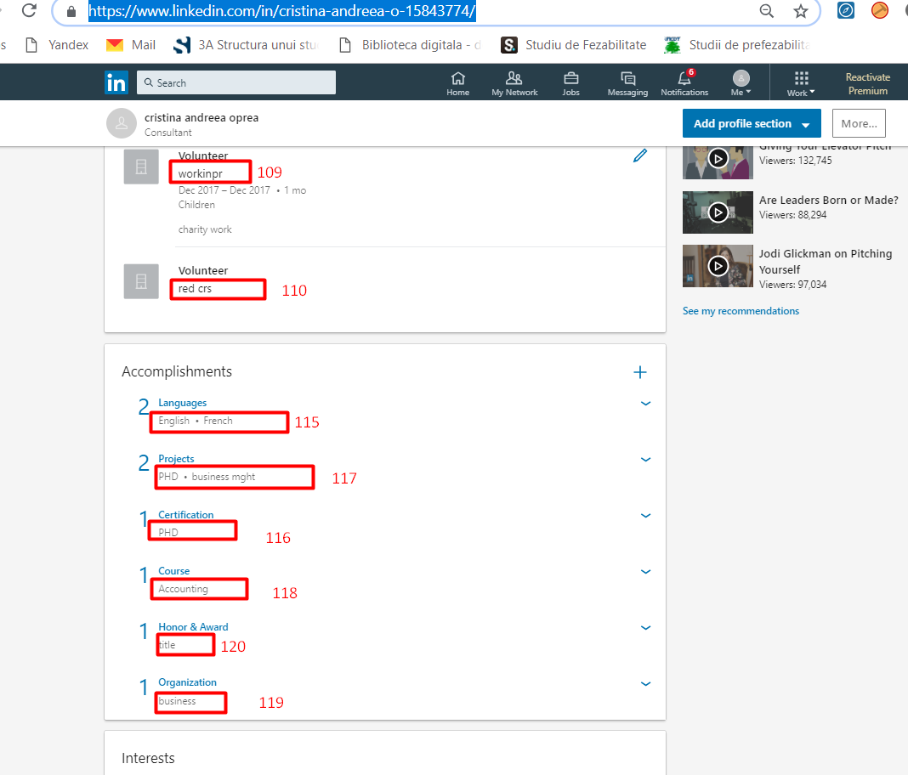
7th screenshot
 | page source | 113 | Followers | 9th screendhot,
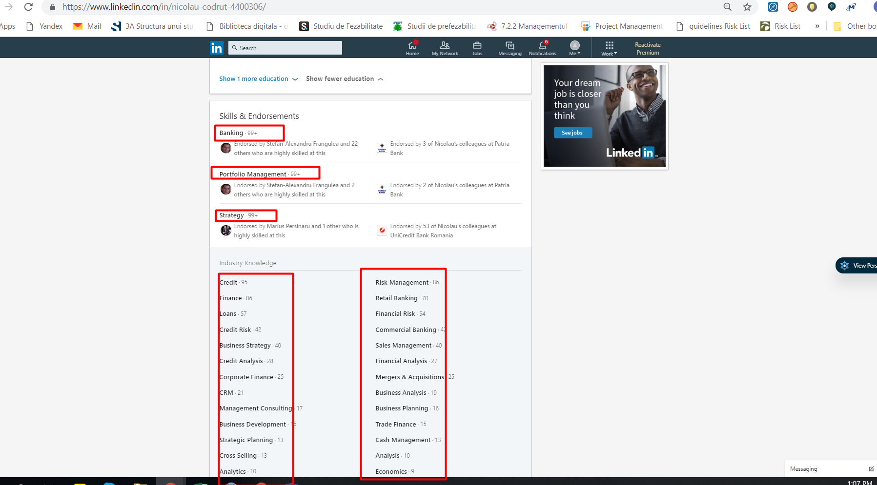
8th screenshot
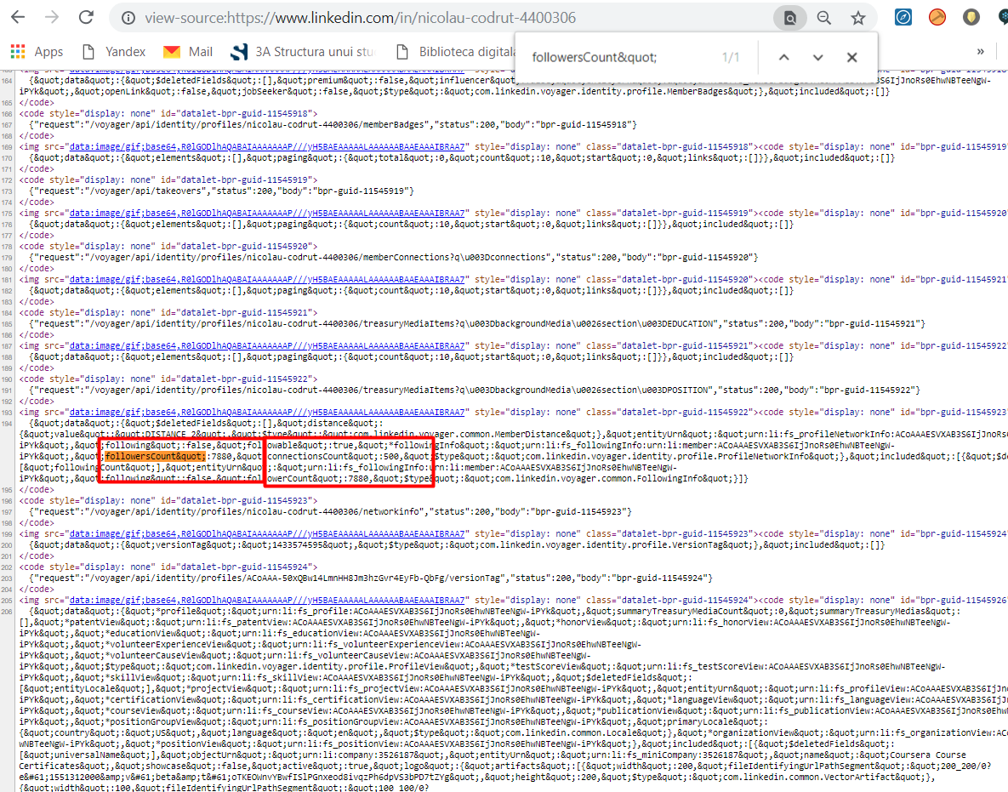
 | page source | 114 | Connections | 9th screendhot,
9th screenshot
 |  | 115 | Languages | 7th screendhot
 |  | 116 | Certification | 7th screendhot
 |  | 117 | Projects | 7th screendhot
 |  | 118 | Courses | 7th screendhot
 |  | 119 | Organizations | 7th screendhot
 |  | 120 | Honors | 7th screendhot
 |  | 121 | Count Nr of recom received | screenshot 10
 |  | 122 | Count Nr of recom given | screenshot 10
 | After clicking on See all we have 4 categories of interests ( 2 columns each – names and their linkedin urls ) | 123 | Interests/ followed influencers Names | screenshot 11, name
 |  | 124 | Interests/ followed influencers URLs | screenshot 11, url behind name
 | change tab, get all available data | 125 | Interests/ followed companies Names | screenshot 12, name for each
 |  | 126 | Interests/ followed companies URLs | screenshot 12, url for each
 | change tab, get all available data | 127 | Interests/ followed groups Names | same as above
 |  | 128 | Interests/ followed groups URLs | same as above
 | change tab, get all available data | 129 | Interests/ followed schools Names | same as above
 |  | 130 | Interests/ followed schools URLs | same as above
 | page source | 131 | Industry | screenshot 13
 | only Received recomm tab & click Show more and get the text for all 9 nine received recomm | 132 | Received recomm texts | screenshot 10

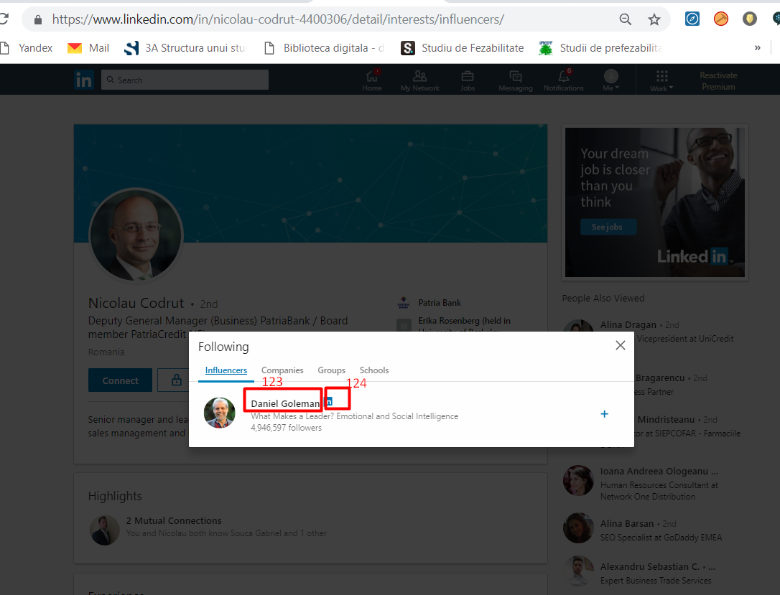
screenshot 11
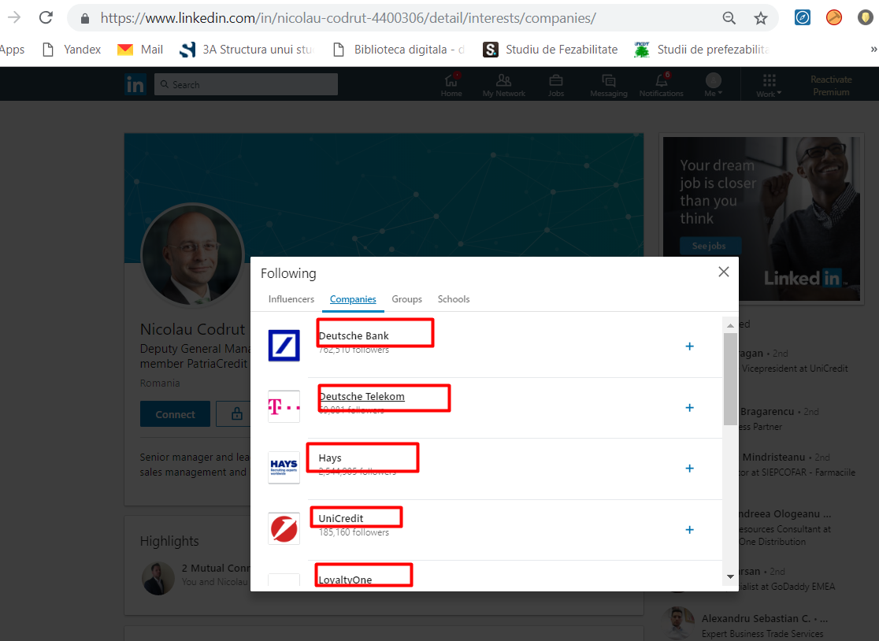
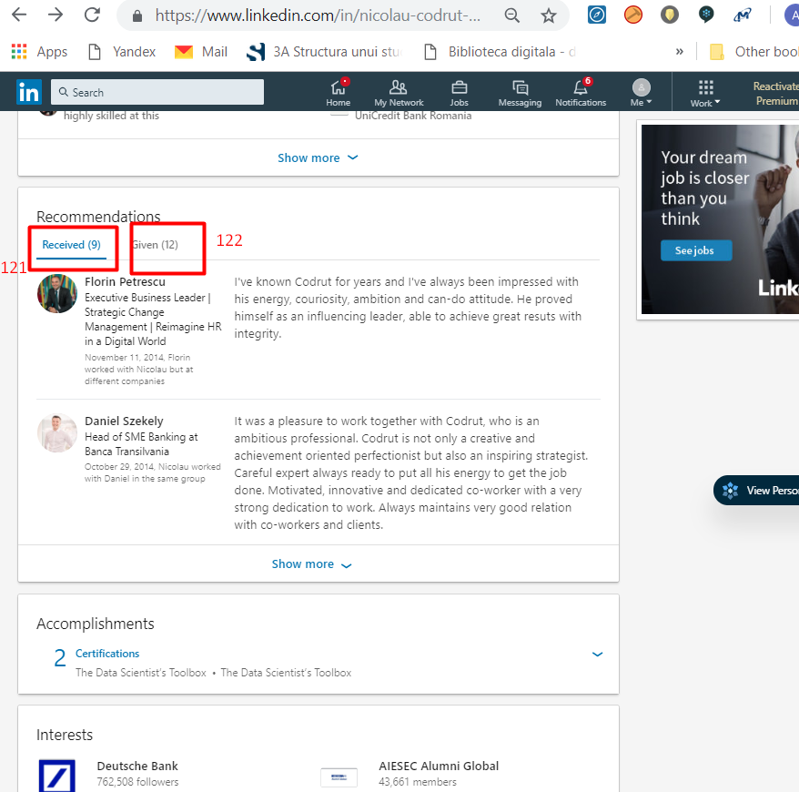
screenshot 10

screenshot 12

132

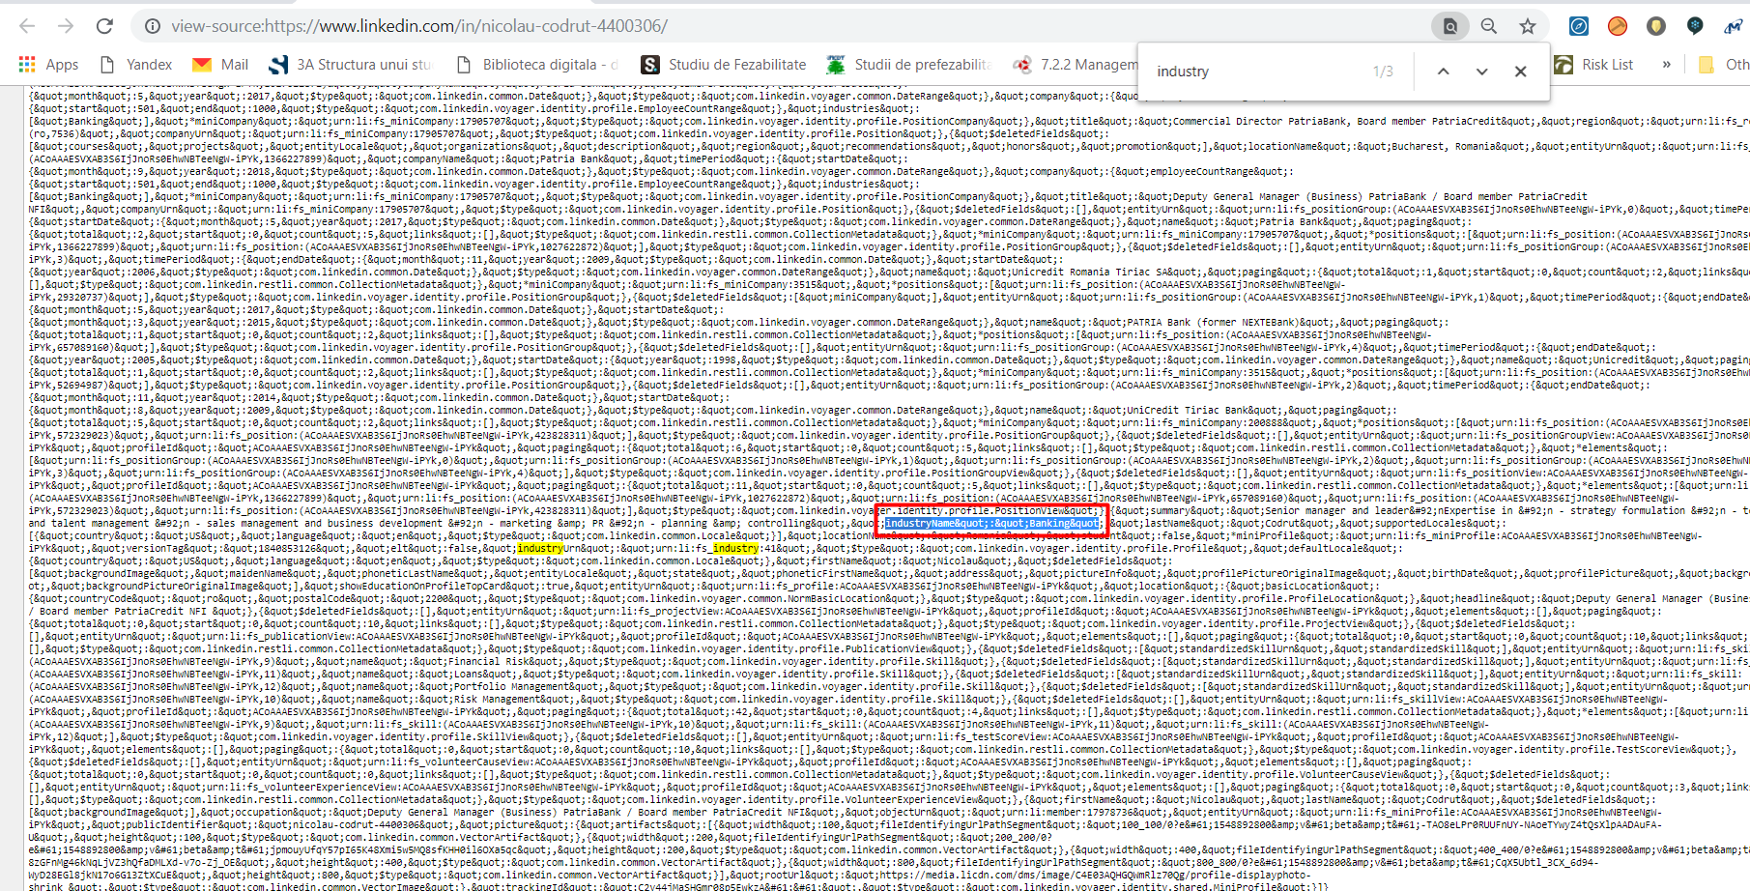
screenshot 13

